Print Page 1
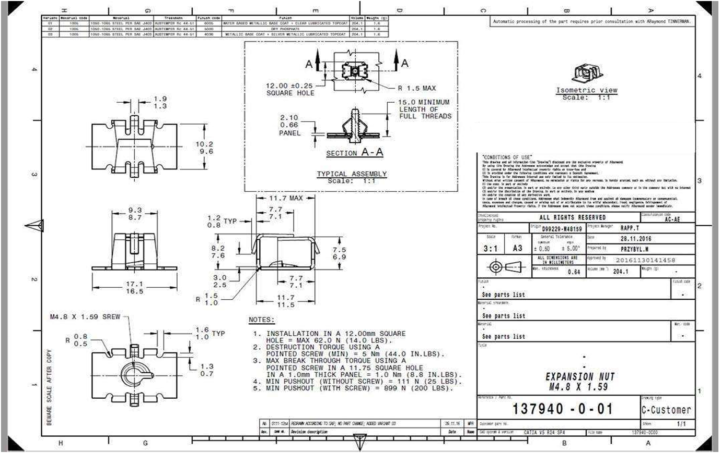

3

1

8
7
4
10

6
5

13

11
2
12
9

14
16

15

